Anugrah (Bag, Cup, Box)
DATE | INV NO. | DESCRIPTIONS | AMOUNT | BILLS | PRICE | SUBTOTAL | TOTAL
5-Jan-2026 | 2963 | DISHWASHING SPONGE | 24 | 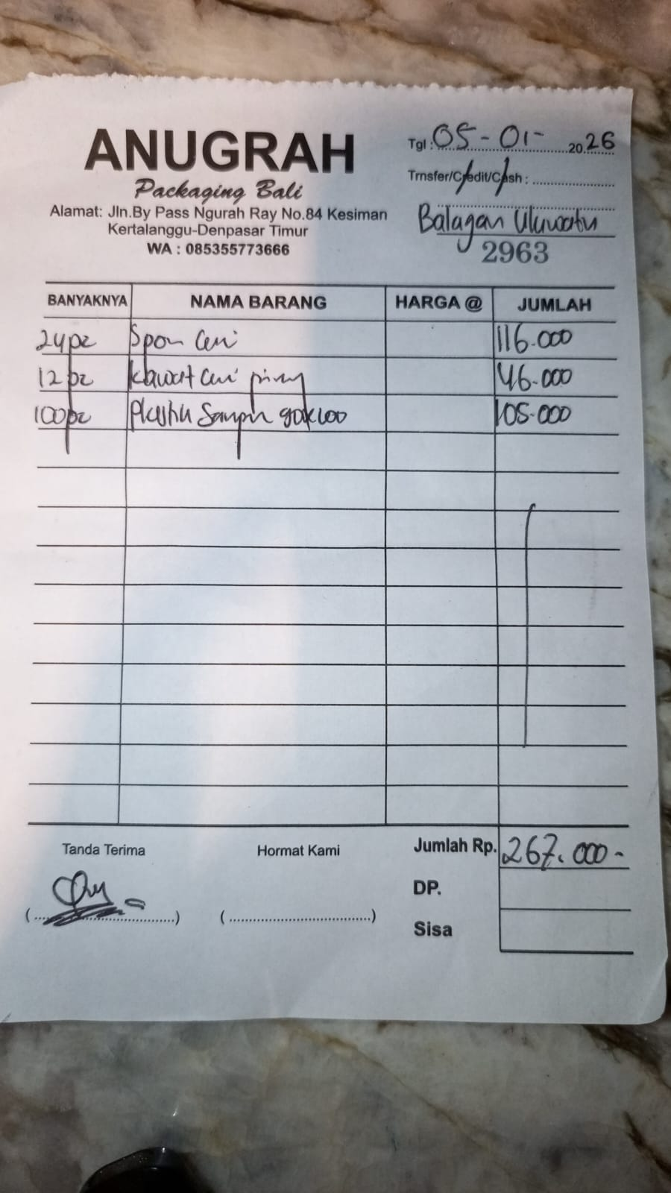 | IDR 4,833 | IDR 116,000 | IDR 267,000 | 4833.3333333
 |  | DISHWASHING WIRE | 12 |  | IDR 3,833 | IDR 46,000 |  | 3833.3333333
 |  | TRASH BAG | 100 |  | IDR 1,050 | IDR 105,000 |  | 1050
 |  |  |  |  |  | IDR - | IDR -
 |  |  |  |  |  | IDR -
 |  |  |  |  |  | IDR -
 |  |  |  |  |  | IDR -
 |  |  |  |  |  | IDR - | IDR -
GRAND TOTAL |  |  |  |  |  |  | Rp267,000

